Potluck
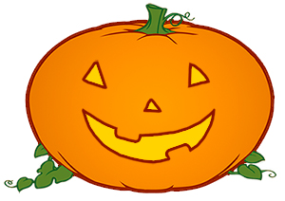
Halloween Potluck Sign Up
Activity / Event Name
Date & Time & Place |  |  |  | Potluck Sign Up Sheets
 |  |  |  | © 2017 by Vertex42.com
List details about the what types of food to bring and what is
already provided (e.g. cups, plates, bowls, utensils, etc.)

Food Types: Appetizer, Dessert, Main Dish, Salad, Side Dish, Other
 |  |  |  | ▼ Unhide these rows to see
 | NAME | FOOD TYPE | DESCRIPTION | ▲ a count by food type.
1 | John Doe | Side Dish | Corn on the Cob | Edit the list of Food Types by going to Data > Data Validation
2 | Sally Smith | Dessert | Orange Sugar Cookies
3 | Roger Anderson | Side Dish | Orange Jello with Carrots (yuck)
4 | Sam Wright | Dessert | Pumpkin Pie
5 | Josh Jacobs | Main Dish | Cauldron of Stew
6
7
8
9
10
11
12
13
14
15
16
17
18
19
20

